Foglio1
Foto | Codice | Licenza | Quantità | numeri
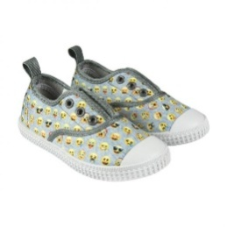 | 2300002893 | Emoji | 72 | 23 - 30
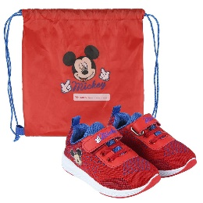 | 2300004614 | Mickey | 303 | 27 - 33
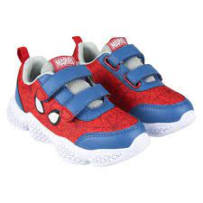 | 2300004640 | Spiderman | 186 | 26 - 33
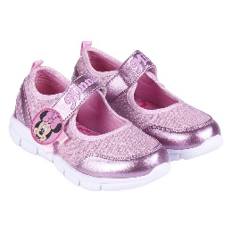 | 2300004686 | Minnie | 120 | 23/24/25
 | 2300004699 | Mickey | 482 | 23 - 28
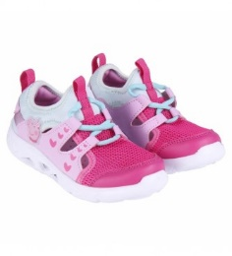 | 2300004702 | Peppa Pig | 112 | 23 - 28
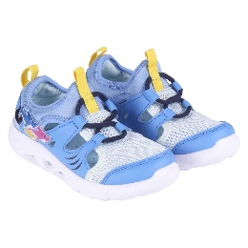 | 2300004703 | Baby Shark | 694 | 24 - 28
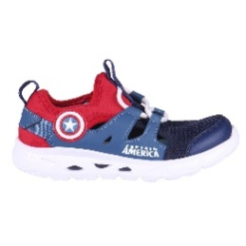 | 2300004705 | Avengers | 640 | 30 - 37
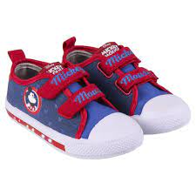 | 2300004706 | Mickey | 150 | 23/24/25
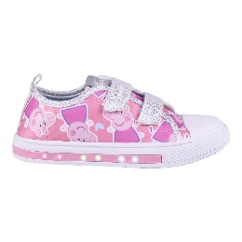 | 2300004709 | Peppa Pig | 27 | 24/25
 | 2300004710 | Baby Shark | 25 | 23 - 28
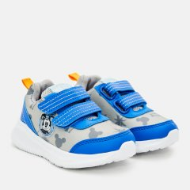 | 2300004726 | Mickey | 38 | 24 e 25
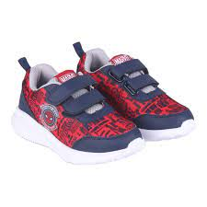 | 2300004728 | Spiderman | 46 | 23 e 24
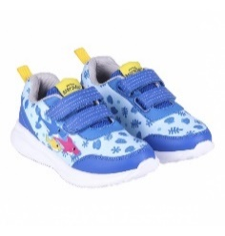 | 2300004730 | Baby Shark | 684 | 23 - 28
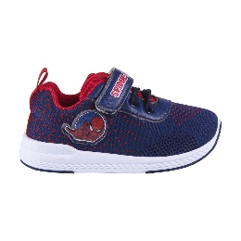 | 2300004836 | Spiderman | 20 | 23
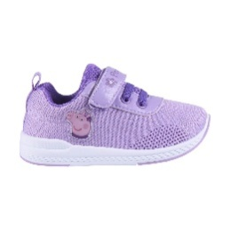 | 2300004837 | Peppa Pig | 23 | 21 - 27
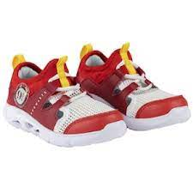 | 2300004842 | Harry Potter | 963 | 30 - 37
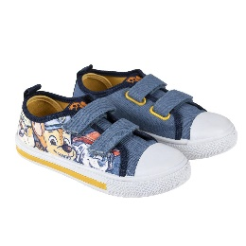 | 2300004863 | Paw Patrol | 60 | 23 e 24
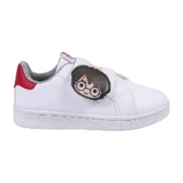 | 2300004929 | Harry Potter | 34 | 26 - 33
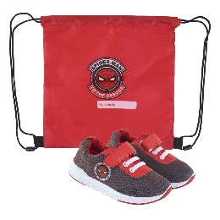 | 2300004934 | Spiderman | 41 | 23 e 25
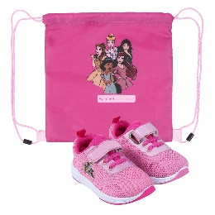 | 2300004940 | Principesse | 54 | 23/24/25/26/27
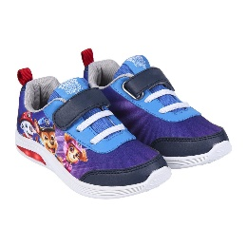 | 2300004944 | Paw Patrol | 19 | 25
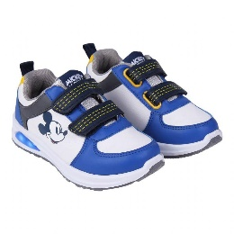 | 2300004950 | Mickey | 60 | 23 - 28
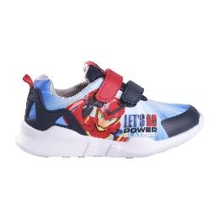 | 2300004957 | Power Players | 153 | 26 - 33
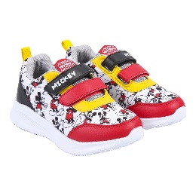 | 2300004980 | Mickey | 231 | 23 - 28
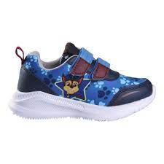 | 2300004981 | Paw Patrol | 41 | 23/24/25
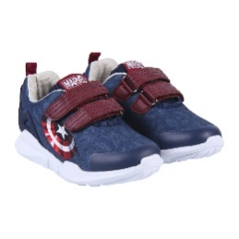 | 2300004984 | Avengers | 18 | 29 e 33
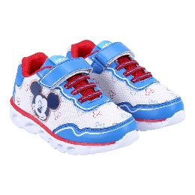 | 2300004988 | Mickey | 149 | 23 - 28
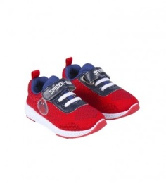 | 2300005069 | Spiderman | 77 | 23 - 28
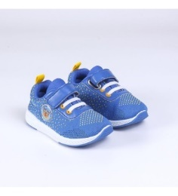 | 2300005070 | Paw Patrol | 45 | 21 25
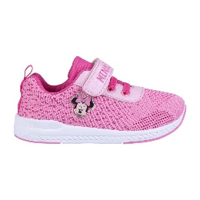 | 2300005071 | Minnie | 139 | 23 - 30
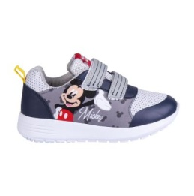 | 2300005084 | Mickey | 70 | 23 - 28
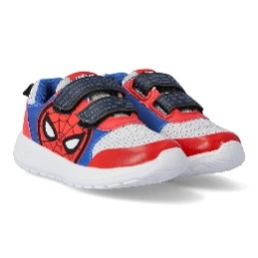 | 2300005085 | Spiderman | 24 | 30
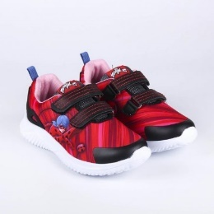 | 2300005096 | Lady Bug | 440 | 26 - 33
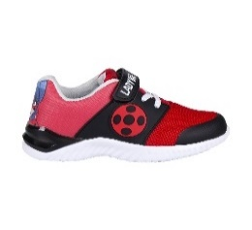 | 2300005102 | Lady Bug | 337 | 27 - 33
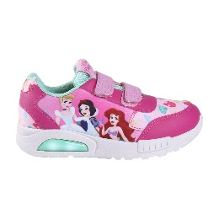 | 2300005109 | Principesse | 35 | 24 e 25
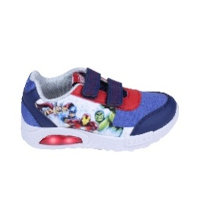 | 2300005110 | Marvel | 17 | 29/30/31
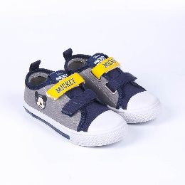 | 2300005112 | Mickey | 112 | 24 - 29
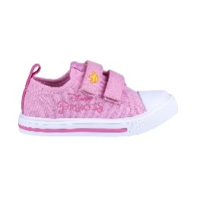 | 2300005144 | Principesse | 62 | 24 - 30
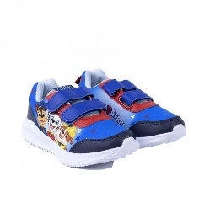 | 2300005411 | Paw Patrol | 45 | 23 - 27
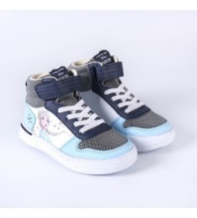 | 2300005424 | Frozen | 217 | 27 - 33
 |  |  | 7065

